Spend It! Decimals Chall. Adv.
Grocery Item | Price per unit | Quantity | Price | Spend It! Shopping Challenge
Bread | $1.22 | 0 | $- | Your local grocery store is offering free groceries to the winner of this shopping challenge!
Apples | $0.85 | 0 | $- | You must choose at least 4 different items. You may order as many of these items as you like.
Corn | $1.15 | 0 | $- | The person who spends closest to $20 without going over wins free groceries for a month! All prices
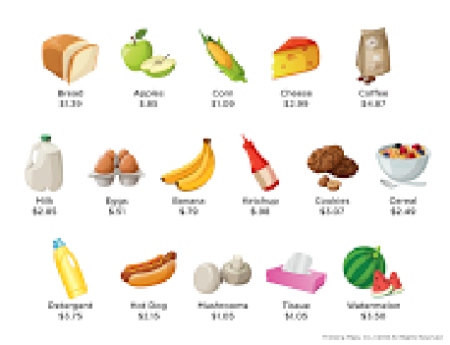
Cheese | $2.00 | 0 | $- | shown include tax. Good luck and happy shopping! :)
Coffee | $1.78 | 0 | $-
Milk | $3.30 | 0 | $-
Eggs | $0.51 | 0 | $-
Bananas | $0.70 | 0 | $-
Ketchup | $0.84 | 0 | $-
Cookies | $1.65 | 0 | $-
Cereal | $2.12 | 0 | $-
Detergent | $1.75 | 0 | $-
Hot Dogs | $2.15 | 0 | $-
Mushrooms | $1.99 | 0 | $-
Tissue | $1.05 | 0 | $-
Watermelon | $3.50 | 0 | $-

 |  | Total: | $-

